Product
PT. NUTRIFOOD INDONESIA |  |  | KODE FORM : F.Q.201


PENGEMBANGAN KONSEP AWAL PRODUK BARU
( PKP )
Tropicana Slim
Almond Fluor (Mordor)
Author |  | : | Annice
Last Updated On |  | : | 2020-07-17
 | Revision No | : | 0
Background
Idea | Tropicana Slim Diet Flour (Low Carb Flour / Keto Flour)
Target market | MF 25+ Upper 1,2
Uniqueness of idea | weak - moderate - strong
Estimated potential market | niche - in between - mass
Reason(s) | Keto diet and low carb diet is trending. Consumers who love bread needs diet fluor.
Market Analysis
Launch Deadline | 2021
Aisle Placement | Aisle Healthy Flour (besides Bob's Red Hill)
Sales Forecast | Rp50,000,000

NF Selling Price | Rp40,000
Consumer Price Target | Rp49,500

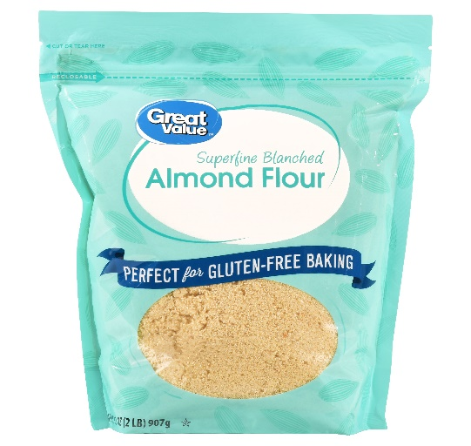
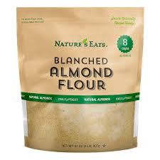
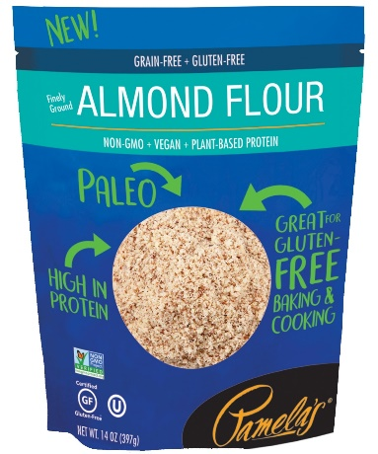
Main Competitor | Kebun Kita, Genki, Blue Diamond Almond Fluor
Competitive Analysis | TBN
Product Features
Product Form | Flour
Product Packaging | Zipper Pouch Premium Packaging - Laminating Doff / Organic Feels Like
Kategori Pangan (BPOM)
Prefered Flavour | Almond Flour / Coconut Flour
Product Benefits
 | Low Carb
 | Source of vitamin & minerals

Mandatory Ingredients | Almond Fluor
Related Picture | see sheet reference

ATTENTION!
 | compulsory; filled by QBX (brand function) Managers
 | should only be filled with great certainty
 | should only be filled after discussion with QPA
Service Level Agreements | Lead Time QBX (brand function) |  | 5 workdays
 | Lead Time QPA (product development function) |  | [1 (benefits) + 2 (COGS)] = 2 workdays
 | Lead Time Revision |  | 2 workdays
Processes | After being filled. HOD approval request. Then, forward to RD as low priority project. Will be further prioritized in PV Cross Funct Mtg. Meanwhile, RD can prepare SLA projection to propose into PV's SLA for the project based on capacity and feasibility.

 |  |  | Revisi / Berlaku : 04 / 24.02.10
 |  |  | Lama Simpan : Selamanya

Market
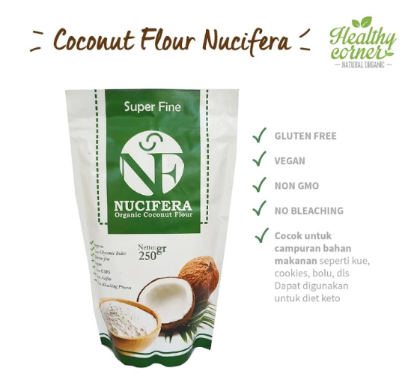
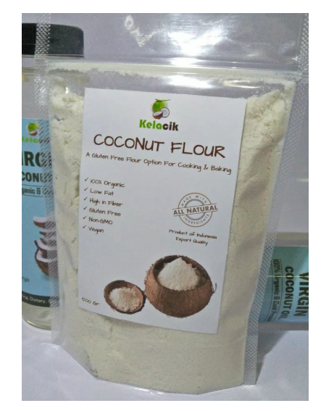
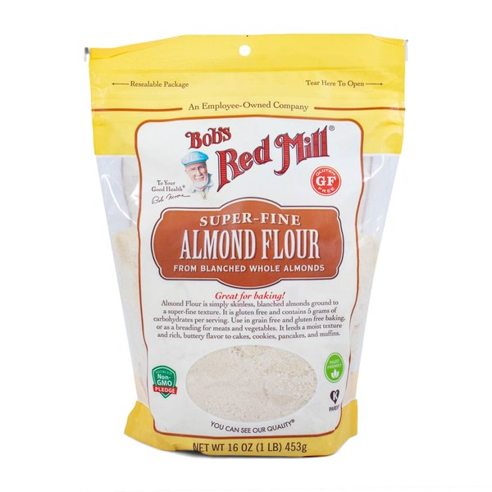
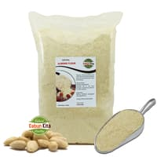
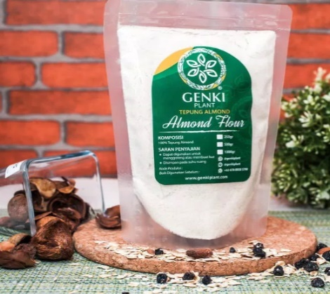
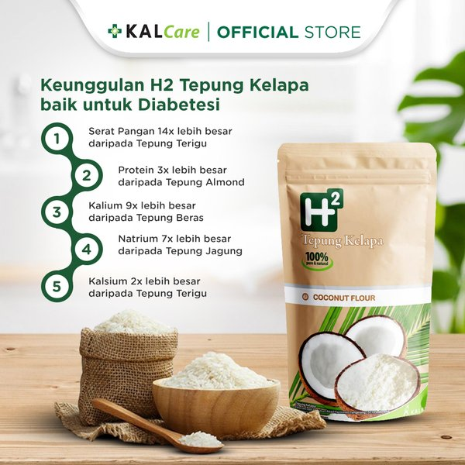
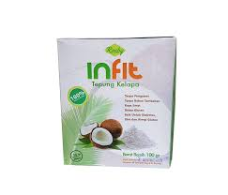
Almond Flour |  |  |  |  |  | Coconut Flour
Merk | Harga | gram | Harga/gram | Harga per 250 gr |  | Merk | Harga | gram | Harga/gram | Harga per 250 gr
Healthy Choice Bob's Mill Almond Flour | Rp279,000 | 453 | 615.9 | Rp153,974 |  | H2 Tepung Kelapa | Rp57,000 | 200 | 285.0 | Rp71,250
Kebun Kita Almond Flour | Rp52,500 | 250 | 210.0 | Rp52,500 | online | Roeby House Infit Coconut Flour | Rp49,500 | 100 | 495.0 | Rp123,750
Genki Almond Flour | Rp90,000 | 500 | 180.0 | Rp45,000 |  | Nucifera Coconut Flour | Rp37,000 | 250 | 148.0 | Rp37,000
Blue Diamond Almond Flour Repack | Rp51,000 | 250 | 204.0 | Rp51,000 |  | Kelacik Coconut Flour | Rp30,000 | 500 | 60.0 | Rp15,000

 |  |  | HET Avg | Rp49,500 |  |  |  |  | HET Avg | Rp15,000
 |  |  | Price List | Rp39,600 |  |  |  |  | Price List | Rp12,000
 |  |  | Bulatkan | Rp40,000 |  |  |  |  | Bulatkan | Rp12,000

Market Potency
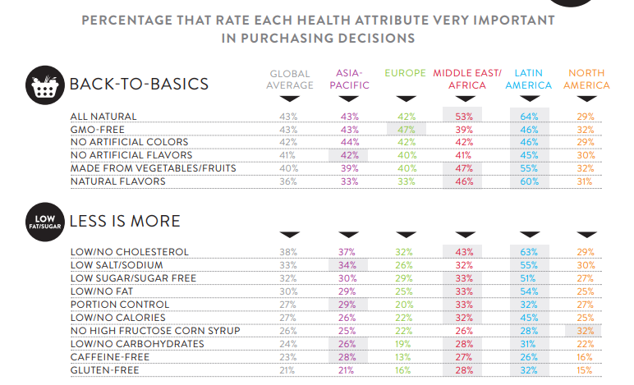
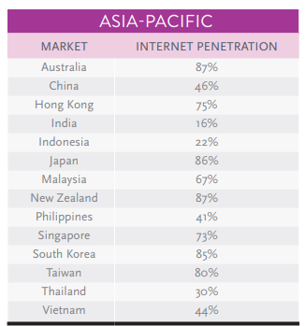
Jumlah penduduk Indonesia |  | 267,000,000
SES SU, U12 |  | 30% | Indonesian population
F, 25-50 |  | 38% | Indonesian population
Suka Memasak |  | 30%
Suka Baking / Bikin Kue |  | 30%
Healthy Concern |  | 30%
Pakai Tepung Diet |  | 10%
Choose Tropicana Slim |  | 10%

Target market TS |  | 8,218 | persons

Consume TS
- 1 pack per bulan |  | 8,218 | portion

Price TS |  | IDR 40,000 | per portion

Sales potency |  | IDR 109,576,800 | per month
 | Bulatkan | 100,000,000

 | Distribusi e-com & RKA | 50,000,000

 |  |  |  | 464982 | 883883
 |  |  |  | 524826
 |  |  |  | 509726 | 6947659
 |  |  |  | 451364
 |  |  |  | 380792 | 10177924
 |  |  |  | 323266 | 3230265
 |  |  |  | 323266 | 68%
 |  |  |  | 267752
 |  |  |  | 284080
 |  |  |  | 375893
 |  |  |  | 2916139
 |  |  |  | 27.3%

Insight
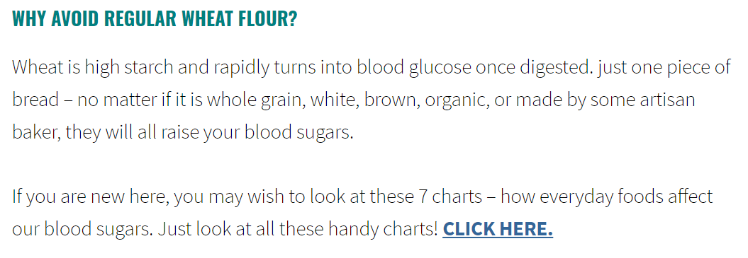
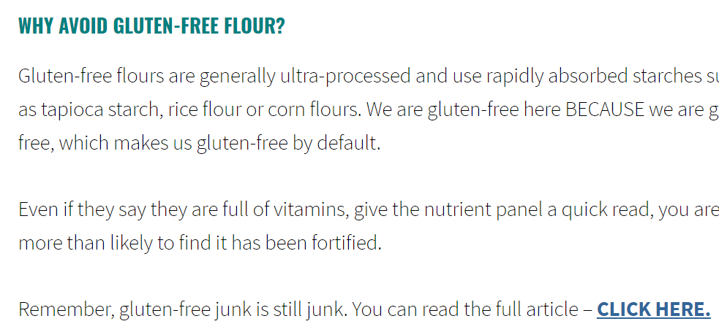

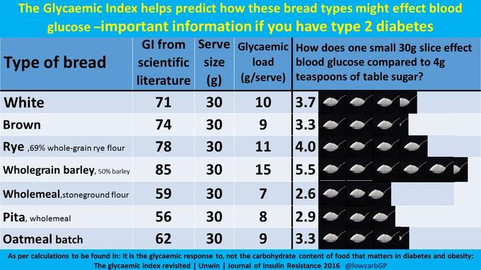

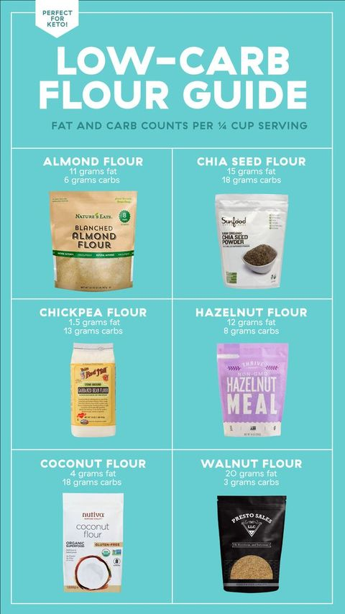
LOW CARB FLOUR |  | per serving (30 gr)
 | Jenis Tepung | Almond Flour | Coconut Flour | Ground Flax Meal | Sunflower Seed Flour | Psyllium Husk | Chia Seed Flour | Chickpea Flour | Hazelnut Flour | Walnut Flour
 | Kalori | 163 kal | 120 kal | 194 kal
 | Karbo | 5.6 gr | 18 gr | 10.5 gr |  |  | 18 gr | 13 gr | 8 gr | 3 gr
 | Lemak | 14.2 gr | 4 gr | 15.2 gr |  |  | 15 gr | 1.5 gr | 12 gr | 20 gr
 | Fiber | 3 gr | 10 gr | 10 gr
 | Plus | 1. all-purpose flour 2. great for baking & cooking 3. rich in vitamins and minerals and provides the most calcium compared to any other nut. | 1. low in carbs, extremely high in fibre and protein | 1. very nutritious and are a good source of vitamin B1, Copper and Omega 3. 2. replace eggs in recipes (for those who allergy to eggs) | 1.good options for those who are allergic to almond flour or coconut flour. 2.They are high in vitamins and minerals such as vitamin E, copper, thiamine, selenium, and phosphorus. | 1. all fibre and is used as a colon cleanser. In baking, it can to add volume and thickener to help the recipes bind together. 2. This leaves a recipe with a great crumb-like texture. | 1. great thickener, making it the perfect alternative to flour in sauces or soups. 2. eggs subtitution | 1. good for nut allergies. 2. Great binder for mains like burgers or falafel | 1. add a deep nutty flavor
 | Minus | 1. can go bad fast, must put in the fridge or freezer | 1. absorbs a lot of liquid and recipes tend to thicken over a few minutes. 2. need more butter /eggs | 1.This can be used to replace the eggs but it will not give to properties that eggs do (bind, ligt, fluffy,rise,emulsify) 2. rancid very quickly, store in the freezer | 1. a bit more expensive than most low carb flours 2. hard to find | 1. heavily diluted, don’t eat psyllium husk raw or you may choke. |  |  | 1.make things a bit dry, need extra butter | 1. Its texture is more like cornmeal
 | Popularity (well known by society) | v | v

 | source:
 | https://www.ditchthecarbs.com/low-carb-flours/
 | https://www.myketokitchen.com/keto-resources/low-carb-flour-alternatives-lchf-keto-cooking/
 | https://www.delish.com/kitchen-tools/kitchen-secrets/a30212629/low-carb-keto-flours/

